Tool graph drawn in neo4j
Developed tool knowledge graph containing 45 tools and 50 interrelationships (Corresponding to Fig. 2b)
Tool graph in neo4j | Tripples in the tool graph
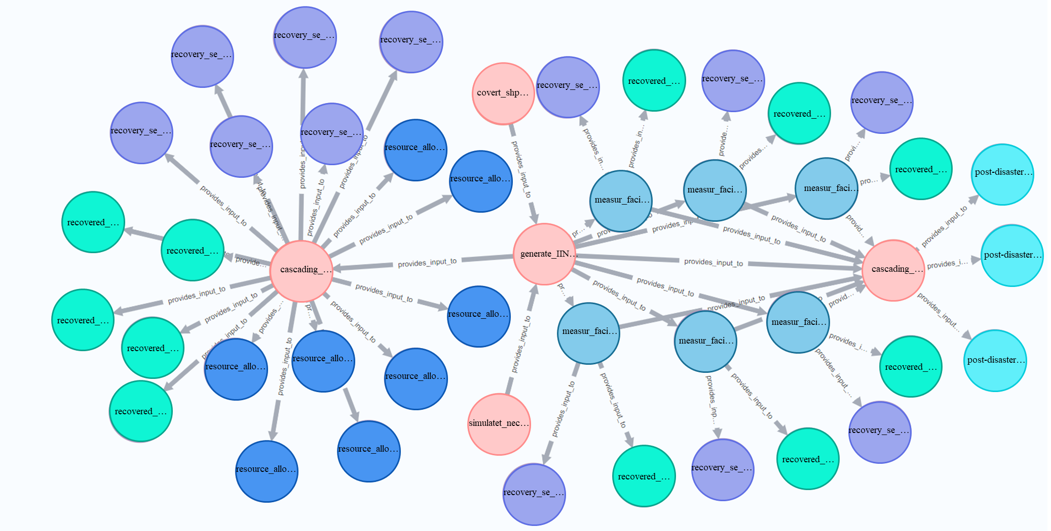 | (:General_Tool {fillColor: #F5C2BD,borderColor: #EA8379,name: convert_shpfile_to_network})-[:provides_input_to]->(:General_Tool {fillColor: #F5C2BD,borderColor: #EA8379,name: generate_interdependent_infrastrcuture_networks_using_service_areas})
 | (:General_Tool {fillColor: #F5C2BD,borderColor: #EA8379,name: generate_interdependent_infrastrcuture_networks_using_service_areas})-[:provides_input_to]->(:Tool {fillColor: #DACBDF,borderColor: #B395BD,name: measure_facility_importance_using_PageRank})
 | (:General_Tool {fillColor: #F5C2BD,borderColor: #EA8379,name: generate_interdependent_infrastrcuture_networks_using_service_areas})-[:provides_input_to]->(:Tool {fillColor: #DACBDF,borderColor: #B395BD,name: measure_facility_importance_using_kshell_centrality})
 | (:General_Tool {fillColor: #F5C2BD,borderColor: #EA8379,name: generate_interdependent_infrastrcuture_networks_using_service_areas})-[:provides_input_to]->(:Tool {fillColor: #DACBDF,borderColor: #B395BD,name: measure_facility_importance_using_katz_centrality})
 | (:General_Tool {fillColor: #F5C2BD,borderColor: #EA8379,name: generate_interdependent_infrastrcuture_networks_using_service_areas})-[:provides_input_to]->(:Tool {fillColor: #DACBDF,borderColor: #B395BD,name: measure_facility_importance_using_degree_centrality})
 | (:General_Tool {fillColor: #F5C2BD,borderColor: #EA8379,name: generate_interdependent_infrastrcuture_networks_using_service_areas})-[:provides_input_to]->(:Tool {fillColor: #DACBDF,borderColor: #B395BD,name: measure_facility_importance_using_closeness_centrality})
 | (:General_Tool {fillColor: #F5C2BD,borderColor: #EA8379,name: generate_interdependent_infrastrcuture_networks_using_service_areas})-[:provides_input_to]->(:Tool {fillColor: #DACBDF,borderColor: #B395BD,name: measure_facility_importance_using_betweenness_centrality})
 | (:General_Tool {fillColor: #F5C2BD,borderColor: #EA8379,name: generate_interdependent_infrastrcuture_networks_using_service_areas})-[:provides_input_to]->(:General_Tool {fillColor: #F5C2BD,borderColor: #EA8379,name: cascading_failure_identification_by_big_nodes_attacks})
 | (:General_Tool {fillColor: #F5C2BD,borderColor: #EA8379,name: generate_interdependent_infrastrcuture_networks_using_service_areas})-[:provides_input_to]->(:General_Tool {name: cascading_failure_identification_by_random_attacks})
 | (:Tool {fillColor: #DACBDF,borderColor: #B395BD,name: measure_facility_importance_using_PageRank})-[:provides_input_to]->(:Tool {fillColor: #DACBDF,borderColor: #B395BD,name: recovery_sequence_using_PageRank})
 | (:Tool {fillColor: #DACBDF,borderColor: #B395BD,name: measure_facility_importance_using_PageRank})-[:provides_input_to]->(:General_Tool {fillColor: #F5C2BD,borderColor: #EA8379,name: cascading_failure_identification_by_big_nodes_attacks})
 | (:Tool {fillColor: #DACBDF,borderColor: #B395BD,name: measure_facility_importance_using_PageRank})-[:provides_input_to]->(:Tool {fillColor: #DACBDF,borderColor: #B395BD,name: resilience_assessment_of_pagerank})
 | (:Tool {fillColor: #DACBDF,borderColor: #B395BD,name: measure_facility_importance_using_kshell_centrality})-[:provides_input_to]->(:Tool {fillColor: #DACBDF,borderColor: #B395BD,name: recovery_sequence_using_kshell_centrality})
 | (:Tool {fillColor: #DACBDF,borderColor: #B395BD,name: measure_facility_importance_using_kshell_centrality})-[:provides_input_to]->(:General_Tool {fillColor: #F5C2BD,borderColor: #EA8379,name: cascading_failure_identification_by_big_nodes_attacks})
 | (:Tool {fillColor: #DACBDF,borderColor: #B395BD,name: measure_facility_importance_using_kshell_centrality})-[:provides_input_to]->(:Tool {fillColor: #DACBDF,borderColor: #B395BD,name: resilience_assessment_of_kshell})
 | (:Tool {fillColor: #DACBDF,borderColor: #B395BD,name: measure_facility_importance_using_katz_centrality})-[:provides_input_to]->(:Tool {fillColor: #DACBDF,borderColor: #B395BD,name: recovery_sequence_using_katz_centrality})
 | (:Tool {fillColor: #DACBDF,borderColor: #B395BD,name: measure_facility_importance_using_katz_centrality})-[:provides_input_to]->(:General_Tool {fillColor: #F5C2BD,borderColor: #EA8379,name: cascading_failure_identification_by_big_nodes_attacks})
 | (:Tool {fillColor: #DACBDF,borderColor: #B395BD,name: measure_facility_importance_using_katz_centrality})-[:provides_input_to]->(:Tool {fillColor: #DACBDF,borderColor: #B395BD,name: resilience_assessment_of_katz_centrality})
 | (:Tool {fillColor: #DACBDF,borderColor: #B395BD,name: measure_facility_importance_using_degree_centrality})-[:provides_input_to]->(:Tool {fillColor: #DACBDF,borderColor: #B395BD,name: recovery_sequence_using_degree_centrality})
 | (:Tool {fillColor: #DACBDF,borderColor: #B395BD,name: measure_facility_importance_using_degree_centrality})-[:provides_input_to]->(:General_Tool {fillColor: #F5C2BD,borderColor: #EA8379,name: cascading_failure_identification_by_big_nodes_attacks})
 | (:Tool {fillColor: #DACBDF,borderColor: #B395BD,name: measure_facility_importance_using_degree_centrality})-[:provides_input_to]->(:Tool {fillColor: #DACBDF,borderColor: #B395BD,name: resilience_assessment_of_degree_centrality})
 | (:Tool {fillColor: #DACBDF,borderColor: #B395BD,name: measure_facility_importance_using_closeness_centrality})-[:provides_input_to]->(:Tool {fillColor: #DACBDF,borderColor: #B395BD,name: recovery_sequence_using_closeness_centrality})
 | (:Tool {fillColor: #DACBDF,borderColor: #B395BD,name: measure_facility_importance_using_closeness_centrality})-[:provides_input_to]->(:General_Tool {fillColor: #F5C2BD,borderColor: #EA8379,name: cascading_failure_identification_by_big_nodes_attacks})
 | (:Tool {fillColor: #DACBDF,borderColor: #B395BD,name: measure_facility_importance_using_closeness_centrality})-[:provides_input_to]->(:Tool {fillColor: #DACBDF,borderColor: #B395BD,name: resilience_assessment_of_closeness_centrality})
 | (:Tool {fillColor: #DACBDF,borderColor: #B395BD,name: measure_facility_importance_using_betweenness_centrality})-[:provides_input_to]->(:Tool {fillColor: #DACBDF,borderColor: #B395BD,name: recovery_sequence_using_betweenness_centrality})
 | (:Tool {fillColor: #DACBDF,borderColor: #B395BD,name: measure_facility_importance_using_betweenness_centrality})-[:provides_input_to]->(:General_Tool {fillColor: #F5C2BD,borderColor: #EA8379,name: cascading_failure_identification_by_big_nodes_attacks})
 | (:Tool {fillColor: #DACBDF,borderColor: #B395BD,name: measure_facility_importance_using_betweenness_centrality})-[:provides_input_to]->(:Tool {fillColor: #DACBDF,borderColor: #B395BD,name: resilience_assessment_of_betweenness_centrality})
 | (:General_Tool {fillColor: #F5C2BD,borderColor: #EA8379,name: cascading_failure_identification_by_big_nodes_attacks})-[:provides_input_to]->(:Tool {fillColor: #DACBDF,borderColor: #B395BD,name: post_disaster_network_temporary_recovery_evaluated_by_efficiency_tool})
 | (:General_Tool {fillColor: #F5C2BD,borderColor: #EA8379,name: cascading_failure_identification_by_big_nodes_attacks})-[:provides_input_to]->(:Tool {fillColor: #DACBDF,borderColor: #B395BD,name: post_disaster_network_temporary_recovery_evaluated_by_population_tool})
 | (:General_Tool {fillColor: #F5C2BD,borderColor: #EA8379,name: cascading_failure_identification_by_big_nodes_attacks})-[:provides_input_to]->(:Tool {fillColor: #DACBDF,borderColor: #B395BD,name: post_disaster_network_temporary_recovery_evaluated_by_connectivity_tool})
 | (:General_Tool {name: cascading_failure_identification_by_random_attacks})-[:provides_input_to]->(:Tool {fillColor: #DACBDF,borderColor: #B395BD,name: resilience_assessment_by_average_path_length})
 | (:General_Tool {name: cascading_failure_identification_by_random_attacks})-[:provides_input_to]->(:Tool {fillColor: #DACBDF,borderColor: #B395BD,name: resilience_assessment_by_connectivily})
 | (:General_Tool {name: cascading_failure_identification_by_random_attacks})-[:provides_input_to]->(:Tool {fillColor: #DACBDF,borderColor: #B395BD,name: resilience_assessment_by_diameter})
 | (:General_Tool {name: cascading_failure_identification_by_random_attacks})-[:provides_input_to]->(:Tool {fillColor: #DACBDF,borderColor: #B395BD,name: resilience_assessment_by_global_efficiency})
 | (:General_Tool {name: cascading_failure_identification_by_random_attacks})-[:provides_input_to]->(:Tool {fillColor: #DACBDF,borderColor: #B395BD,name: resilience_assessment_by_node_reachability})
 | (:General_Tool {name: cascading_failure_identification_by_random_attacks})-[:provides_input_to]->(:Tool {fillColor: #DACBDF,borderColor: #B395BD,name: recovery_sequence_of_population_and_minimum_cost_by_GA})
 | (:General_Tool {name: cascading_failure_identification_by_random_attacks})-[:provides_input_to]->(:Tool {fillColor: #DACBDF,borderColor: #B395BD,name: recovery_sequence_of_population_by_GA})
 | (:General_Tool {name: cascading_failure_identification_by_random_attacks})-[:provides_input_to]->(:Tool {fillColor: #DACBDF,borderColor: #B395BD,name: recovery_sequence_of_population_by_SA})
 | (:General_Tool {name: cascading_failure_identification_by_random_attacks})-[:provides_input_to]->(:Tool {fillColor: #DACBDF,borderColor: #B395BD,name: recovery_strategy_of_GSCC_by_GA})
 | (:General_Tool {name: cascading_failure_identification_by_random_attacks})-[:provides_input_to]->(:Tool {fillColor: #DACBDF,borderColor: #B395BD,name: recovery_strategy_of_GSCC_by_SA})
 | (:General_Tool {name: cascading_failure_identification_by_random_attacks})-[:provides_input_to]->(:Tool {fillColor: #DACBDF,borderColor: #B395BD,name: recovery_order_of_population_and_minimum_cost_by_SA})
 | (:General_Tool {name: cascading_failure_identification_by_random_attacks})-[:provides_input_to]->(:Tool {fillColor: #DACBDF,borderColor: #B395BD,name: recovery_order_of_mixed_integer_linear_programming_time_tool})
 | (:General_Tool {name: cascading_failure_identification_by_random_attacks})-[:provides_input_to]->(:Tool {fillColor: #DACBDF,borderColor: #B395BD,name: recovery_order_of_population_and_minimum_cost_and_time_by_GA})
 | (:General_Tool {name: cascading_failure_identification_by_random_attacks})-[:provides_input_to]->(:Tool {fillColor: #DACBDF,borderColor: #B395BD,name: recovery_order_of_population_and_minimum_cost_and_time_by_SA})
 | (:General_Tool {name: cascading_failure_identification_by_random_attacks})-[:provides_input_to]->(:Tool {name: recovery_sequence_considering_SVI_weighted_population_by_GA_tool})
 | (:General_Tool {name: cascading_failure_identification_by_random_attacks})-[:provides_input_to]->(:Tool {name: recovery_sequence_considering_total_and_SVI_weighted_population_by_GA_tool})
 | (:General_Tool {name: cascading_failure_identification_by_random_attacks})-[:provides_input_to]->(:Tool {name: resource_allocation_considering_SVI_weighted_population_tool})
 | (:General_Tool {name: cascading_failure_identification_by_random_attacks})-[:provides_input_to]->(:Tool {name: resource_allocation_considering_total_and_SVI_weighted_population})
 | (:General_Tool {name: cascading_failure_identification_by_random_attacks})-[:provides_input_to]->(:Tool {name: resource_allocation_considering_carbon_emissions})
 | (:General_Tool {name: simulate_necessary_infrastructure_information_tool})-[:provides_input_to]->(:General_Tool {fillColor: #F5C2BD,borderColor: #EA8379,name: generate_interdependent_infrastrcuture_networks_using_service_areas})

